tabla-6150
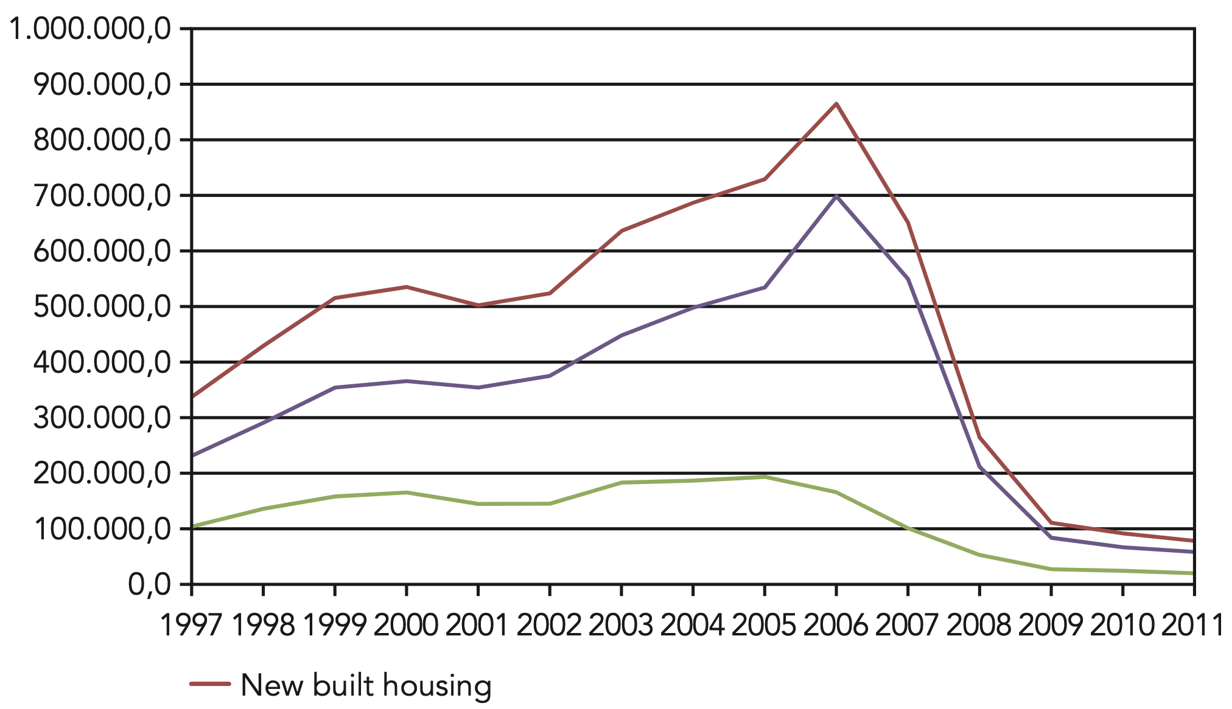
 |  | YEAR | SOURCE1 | SOURCE2 | SOURCE3 | SOURCE4 | SOURCE5 | SOURCE6 | SOURCE7 | demolition
2025M12 | 11,694 | 2025 | 155,910 |  | 88254
2025M11 | 12,742 | 2024 | 134,338 |  | 97837
2025M10 | 14,464 | 2023 | 109,481 |  | 87565
2025M09 | 13,823 | 2022 | 116,458 |  | 89107
2025M08 | 10,123 | 2021 | 114,030 |  | 91390
2025M07 | 13,640 | 2020 | 87,372 |  | 85945 |  |  |  | 81629
2025M06 | 12,570 | 2019 | 49,148 |  | 78789 |  |  |  | 81629
2025M05 | 12,785 | 2018 | 91,716 |  | 64354 |  |  |  | 81629
2025M04 | 11,410 | 2017 | 83,240 |  | 54610 |  |  |  | 81629
2025M03 | 14,562 | 2016 | 75,134 |  | 40119 |  |  |  | 81629
2025M02 | 13,933 | 2015 | 76,954 |  | 45152 |  |  |  | 81629
2025M01 | 14,164 | 2014 | 117,519 |  | 46822 |  |  |  | 81629
2024M12 | 11,362 | 2013 | 143,771 |  | 64817 |  |  |  | 81629
2024M11 | 12,236 | 2012 | 155,890 |  | 114991 |  |  |  | 81629 | 5909
2024M10 | 16,434 | 2011 | 174,299 | 80000 | 157405 |  |  |  | 81629 | 6208
2024M09 | 12,476 | 2010 | 220,612 | 90000 | 240920 |  |  |  | 582308 | 6985
2024M08 | 9,842 | 2009 | 218,775 | 110000 | 366887 |  |  |  | 582308 | 6975
2024M07 | 11,157 | 2008 | 278,034 | 260000 | 615072 |  |  |  | 582308 | 13253
2024M06 | 10,035 | 2007 | 326,382 | 650000 | 641419 |  |  |  | 582308 | 25244
2024M05 | 8,999 | 2006 |  | 850000 | 585584 |  |  |  | 582308
2024M04 | 10,641 | 2005 |  | 720000 | 524479 |  |  |  | 582308
2024M03 | 8,869 | 2004 |  | 680000 | 496785 |  |  |  | 582308
2024M02 | 11,464 | 2003 |  | 650000 | 458683 |  |  |  | 582308
2024M01 | 10,823 | 2002 |  | 520000 | 416683 |  |  |  | 582308
2023M12 | 6,870 | 2001 |  | 500000 | 365663 |  |  |  | 582308
2023M11 | 8,975 | 2000 |  | 530000 | 366776 |  |  |  | 396105
2023M10 | 8,846 | 1999 |  | 510000 | 321177 |  |  |  | 396105 |  | source 1 | ine
2023M09 | 8,088 | 1998 |  | 440000 | 275596 |  |  |  | 396105 |  | source 2 | paper thomas sent
2023M08 | 9,231 | 1997 |  | 350000 | 272336 |  |  |  | 396105 |  | source 3 | https://www.bde.es/webbe/en/estadisticas/otras-clasificaciones/publicaciones/boletin-estadistico/capitulo-23.html
2023M07 | 8,154 | 1996 |  |  | 253378 |  |  |  | 396105 |  | source 4 | https://www.funcas.es/wp-content/uploads/Migracion/Articulos/FUNCAS_PEE/010art14.pdf
2023M06 | 10,119 | 1995 |  |  | 242122 |  |  |  | 396105 |  | source 5 | https://habitat.aq.upm.es/in/a003/ab003.html
2023M05 | 10,635 | 1994 |  |  | 219553 |  |  |  | 396105 |  | source 6 | https://www.coam.org/media/Default%20Files/fundacion/biblioteca/revista-arquitectura-100/1959-1973/docs/revista-articulos/revista-arquitectura-1964-n66-pag58-62.pdf
2023M04 | 8,087 | 1993 |  |  | 205404 |  |  |  | 396105 |  | source 7 | ine
2023M03 | 10,364 | 1992 |  |  | 205893 |  |  |  | 396105 |  | demolition | https://ec.europa.eu/environment/pdf/waste/studies/deliverables/CDW_Spain_Factsheet_Final.pdf
2023M02 | 9,541 | 1991 |  |  |  |  | 250000 |  | 396105
2023M01 | 10,571 | 1990 |  |  |  |  | 250000 |  | 342045
2022M12 | 7,804 | 1989 |  |  |  |  | 250000 |  | 342045
2022M11 | 9,978 | 1988 |  |  |  |  | 250000 |  | 342045
2022M10 | 8,781 | 1987 |  |  |  |  | 250000 |  | 342045
2022M09 | 10,181 | 1986 |  |  |  |  | 250000 |  | 342045
2022M08 | 10,164 | 1985 |  |  |  |  | 250000 |  | 342045
2022M07 | 8,924 | 1984 |  |  |  |  | 250000 |  | 342045
2022M06 | 9,457 | 1983 |  |  |  |  | 250000 |  | 342045
2022M05 | 10,242 | 1982 |  |  |  |  | 250000 |  | 342045
2022M04 | 8,615 | 1981 |  |  |  |  | 400000 |  | 342045
2022M03 | 11,317 | 1980 |  |  |  |  | 400000 |  | 498702
2022M02 | 10,925 | 1979 |  |  |  | 367083 | 400000 |  | 498702
2022M01 | 10,070 | 1978 |  |  |  | 348645 | 400000 |  | 498702
2021M12 | 9,543 | 1977 |  |  |  | 406071 | 400000 |  | 498702
2021M11 | 10,243 | 1976 |  |  |  | 376038 | 400000 |  | 498702
2021M10 | 9,349 | 1975 |  |  |  | 388779 | 400000 |  | 498702
2021M09 | 10,909 | 1974 |  |  |  | 568834 | 400000 |  | 498702
2021M08 | 9,536 | 1973 |  |  |  | 696446 | 400000 |  | 498702
2021M07 | 9,262 | 1972 |  |  |  | 598065 | 400000 |  | 498702
2021M06 | 9,167 | 1971 |  |  |  | 357658 | 400000 |  | 498702
2021M05 | 9,044 | 1970 |  |  |  | 349995 |  |  | 383391
 |  | 1969 |  |  |  |  |  |  | 383391
 |  | 1968 |  |  |  |  |  |  | 383391
 |  | 1967 |  |  |  |  |  |  | 383391
 |  | 1966 |  |  |  |  |  |  | 383391
 |  | 1965 |  |  |  |  |  |  | 383391
 |  | 1964 |  |  |  |  |  |  | 383391
 |  | 1963 |  |  |  |  |  |  | 383391
 |  | 1962 |  |  |  |  |  |  | 383391
 |  | 1961 |  |  |  |  |  |  | 383391
 |  | 1960 |  |  |  |  |  | 128000 | 159303
 |  | 1959 |  |  |  |  |  | 114000 | 159303
2021M04 | 8,501 | 1958 |  |  |  |  |  | 101000 | 159303
2021M03 | 9,949 | 1957 |  |  |  |  |  | 98000 | 159303
2021M02 | 10,002 | 1956 |  |  |  |  |  | 121800 | 159303
2021M01 | 8,525 | 1955 |  |  |  |  |  | 112200 | 159303
2020M12 | 7,310 | 1954 |  |  |  |  |  | 87200 | 159303
2020M11 | 7,924 | 1953 |  |  |  |  |  | 67200 | 159303
2020M10 | 7,682 | 1952 |  |  |  |  |  | 63300 | 159303
2020M09 | 8,404 | 1951 |  |  |  |  |  | 56500 | 159303
2020M08 | 6,818 | 1950 |  |  |  |  |  | 53400
2020M07 | 6,783 | 1945 |  |  |  |  |  |  | 79293
2020M06 | 5,474 | 1930 |  |  |  |  |  |  | 55554
2019M06 | 7,192 | 1910 |  |  |  |  |  |  | 69654
2019M05 | 8,327
2019M04 | 7,560
2019M03 | 7,996
2019M02 | 8,770
2019M01 | 9,303
2018M12 | 6,145
2018M11 | 7,961
2018M10 | 7,935
2018M09 | 8,041
2018M08 | 8,136
2018M07 | 7,613
2018M06 | 7,814
2018M05 | 8,236
2018M04 | 7,025
2018M03 | 7,023
2018M02 | 7,457
2018M01 | 8,330
2017M12 | 5,794
2017M11 | 7,453
2017M10 | 6,914
2017M09 | 7,299
2017M08 | 7,457
2017M07 | 6,981
2017M06 | 7,706
2017M05 | 7,602
2017M04 | 5,494
2017M03 | 7,384
2017M02 | 6,459
2017M01 | 6,697
2016M12 | 5,168
2016M11 | 5,762
2016M10 | 5,349
2016M09 | 5,992
2016M08 | 6,099
2016M07 | 6,037
2016M06 | 6,592
2016M05 | 6,867
2016M04 | 7,131
2016M03 | 6,075
2016M02 | 7,690
2016M01 | 6,372
2015M12 | 5,549
2015M11 | 5,438
2015M10 | 5,381
2015M09 | 6,091
2015M08 | 5,925
2015M07 | 6,415
2015M06 | 6,454
2015M05 | 6,252
2015M04 | 6,097
2015M03 | 6,594
2015M02 | 7,846
2015M01 | 8,912
2014M12 | 7,153
2014M11 | 7,543
2014M10 | 8,089
2014M09 | 8,890
2014M08 | 8,082
2014M07 | 10,333
2014M06 | 9,561
2014M05 | 10,619
2014M04 | 10,445
2014M03 | 11,156
2014M02 | 11,345
2014M01 | 14,303
2013M12 | 10,815
2013M11 | 9,787
2013M10 | 9,903
2013M09 | 10,605
2013M08 | 10,398
2013M07 | 11,321
2013M06 | 10,125
2013M05 | 11,817
2013M04 | 10,087
2013M03 | 10,422
2013M02 | 18,451
2013M01 | 20,040
2012M12 | 11,143
2012M11 | 12,604
2012M10 | 12,224
2012M09 | 12,828
2012M08 | 13,960
2012M07 | 12,881
2012M06 | 11,936
2012M05 | 12,892
2012M04 | 9,728
2012M03 | 11,972
2012M02 | 15,898
2012M01 | 17,824
2011M12 | 10,877
2011M11 | 13,461
2011M10 | 10,851
2011M09 | 12,750
2011M08 | 13,105
2011M07 | 13,313
2011M06 | 13,811
2011M05 | 14,612
2011M04 | 11,340
2011M03 | 16,119
2011M02 | 22,384
2011M01 | 21,676
2010M12 | 15,589
2010M11 | 15,509
2010M10 | 13,360
2010M09 | 18,155
2010M08 | 23,009
2010M07 | 22,529
2010M06 | 17,721
2010M05 | 18,983
2010M04 | 16,967
2010M03 | 18,440
2010M02 | 21,341
2010M01 | 19,009
2009M12 | 16,454
2009M11 | 18,070
2009M10 | 16,488
2009M09 | 20,076
2009M08 | 18,494
2009M07 | 19,487
2009M06 | 18,343
2009M05 | 17,537
2009M04 | 15,540
2009M03 | 19,111
2009M02 | 18,682
2009M01 | 20,493
2008M12 | 17,443
2008M11 | 19,153
2008M10 | 23,315
2008M09 | 25,011
2008M08 | 19,858
2008M07 | 22,618
2008M06 | 22,510
2008M05 | 24,392
2008M04 | 26,693
2008M03 | 22,133
2008M02 | 25,952
2008M01 | 28,956
2007M12 | 19,921
2007M11 | 24,245
2007M10 | 25,492
2007M09 | 27,658
2007M08 | 25,437
2007M07 | 26,816
2007M06 | 27,263
2007M05 | 31,334
2007M04 | 24,549
2007M03 | 30,403
2007M02 | 29,784
2007M01 | 33,480

